Seacrh CF
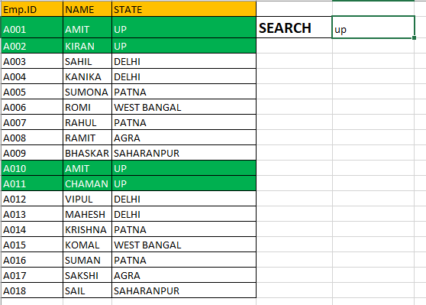
Emp.ID | NAME | STATE
A001 | AMIT | UP | SEARCH | up
A002 | KIRAN | UP
A003 | SAHIL | DELHI
A004 | KANIKA | DELHI
A005 | SUMONA | PATNA
A006 | ROMI | WEST BANGAL
A007 | RAHUL | PATNA
A008 | RAMIT | AGRA
A009 | BHASKAR | SAHARANPUR
A010 | AMIT | UP
A011 | CHAMAN | UP
A012 | VIPUL | DELHI
A013 | MAHESH | DELHI
A014 | KRISHNA | PATNA
A015 | KOMAL | WEST BANGAL
A016 | SUMAN | PATNA
A017 | SAKSHI | AGRA
A018 | SAIL | SAHARANPUR

